18mar21
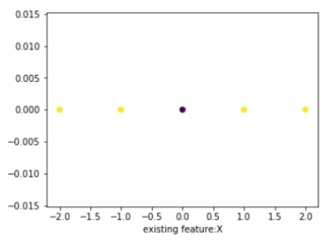
 |  |  |  |  |  |  |  |  |  | gamma | 1
x | y |  |  |  |  |  |  | x | y
-2 | 0 |  |  |  |  |  |  | -2 | 0 | DataPoint | x-center | norm(x-center) | [norm(x-center)]^2 | gamma
-1 | 0 |  |  |  |  |  |  | -1 | 0 | 1 | -2 | 2 | 4 | 1 | -4 | 0.018315638889
0 | 0 |  |  |  |  |  |  | 0 | 0 | 2 | -1 | 1 | 1 | 1 | -1 | 0.36787944117
1 | 0 |  |  |  |  |  |  | 1 | 0 | 3 | 0 | 0 | 0 | 1 | 0 | 1
2 | 0 |  |  |  |  |  |  | 2 | 0 | 4 | 1 | 1 | 1 | 1 | -1 | 0.36787944117
 |  |  |  |  |  |  |  |  |  | 5 | 2 | 2 | 4 | 1 | -4 | 0.018315638889

 |  |  |  |  |  |  |  | x | y = x^2
 |  |  |  |  |  |  |  | -2 | 4
 |  |  |  |  |  |  |  | -1 | 1
 |  |  |  |  |  |  |  | 0 | 0
 |  |  |  |  |  |  |  | 1 | 1
 |  |  |  |  |  |  |  | 2 | 4
 |  |  |  |  |  |  |  |  | kernel = polynomial

 |  | norm of a vector
 |  | x | y | x^2 | y^2 | x^2 + y^2 | sqrt[x^2+y^^]
 |  | -2 | 0 | 4 | 0 | 4 | 2
 |  | -1 | 0 | 1 | 0 | 1 | 1
 |  | 0 | 0 | 0 | 0 | 0 | 0
 |  | 1 | 0 | 1 | 0 | 1 | 1
 |  | 2 | 0 | 4 | 0 | 4 | 2

Sheet1
 |  | x | y | z
 | p | 2 | 3 |  |  |  |  | plane
 | f | 4 | 5
 | f | 3 | 8 |  |  |  |  | hyper plane

support vector

 | x
p | 2
f | 4
f | 3

 | point

 |  |  |  |  | strainght line

support vector
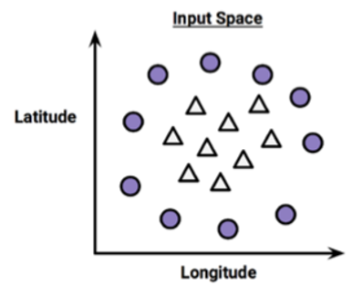
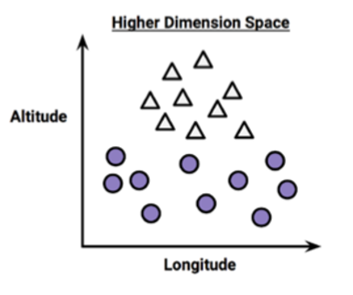
 |  |  |  |  |  |  | x | y | var
 |  |  |  |  |  |  |  |  | avg xy
 |  |  |  |  |  |  |  |  | diff xy
 |  |  |  |  |  |  |  |  | sum xy
 |  |  |  |  |  |  |  |  | prod xy
 |  |  |  |  |  |  |  |  | log sum xy
 |  |  |  |  |  |  |  |  | sqrt avg xy

 |  |  |  |  |  |  |  |  | infinity

 |  |  |  |  |  |  | kernel trick

 |  |  |  |  |  | vector algebra
 |  |  |  |  |  |  |  | linear
 |  |  |  |  |  |  |  | polynomial
 |  |  |  |  |  |  | TS | rbf [radial basis functio]

